Trang_tính1
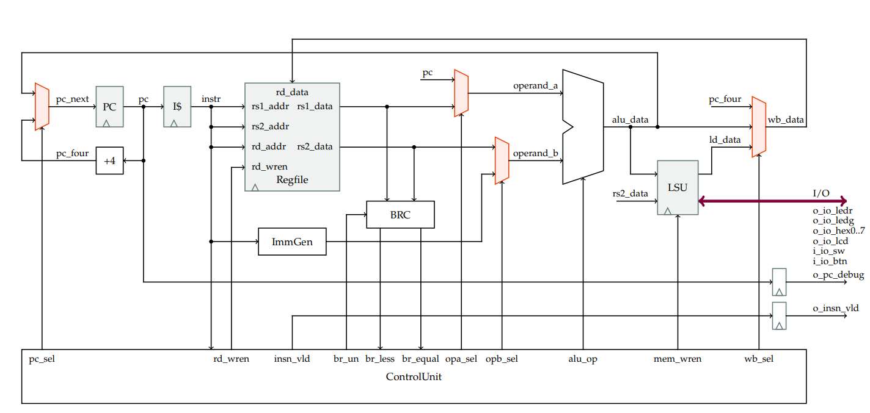
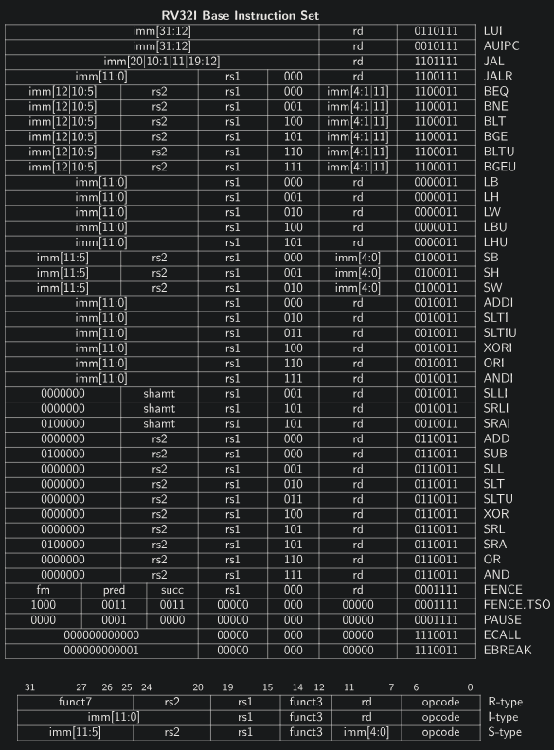
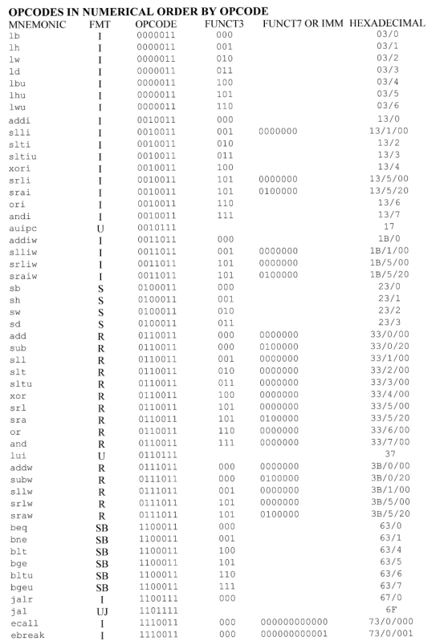
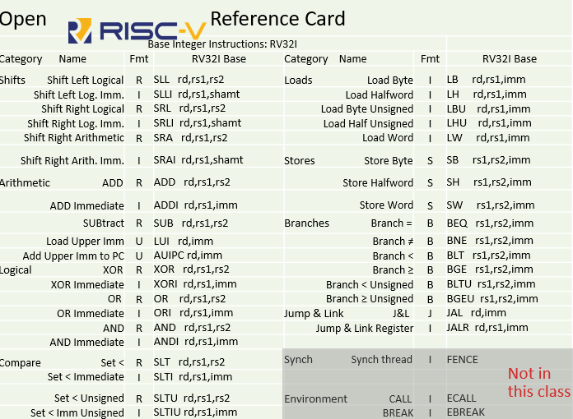
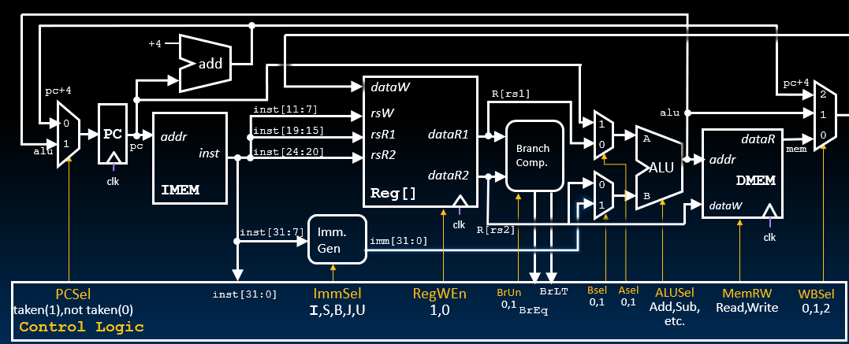
RV32I |  |  |  |  |  | PC_next |  | Regfile | Branch |  |  | ALU |  |  | LSU | Write back data | Id_data sign extend | Note
 |  |  |  |  |  |  | Mở rộng bit cho giá trị tức thời | lưu hoặc không lưu write back data | Dấu của phép so sánh | Less than | Equal | operand a | operand b | alu_operation | chỉ đọc/đọc và ghi | Data trả về Regfile | Mở rộng bit cho LB,LH
 |  |  |  |  |  | 0 => PC + 4 | I-Type {{21{i_inst[31]}},i_inst[30:25]} | 0 => write unable | 0 => unsign (không dấu) | rs1_data >/= rs2_data => 0 | rs1_data >/< rs2_data => 0 | 0 => rs1_data | 0 => rs2_data | 0000 => ADD + | 0 => only read | 00 => LSU_data
 |  |  |  |  |  | 1 => PC + Imm (alu) | S-Type {{21{i_inst[31]}},i_inst[30:25],i_inst[11:7]}; | 1 => write able | 1 => sign (có dấu) | rs1_data < rs2_data => 1 | rs1_data = rs2_data => 1 | 1 => PC | 1 => Imm_data | 0001 => SUB - | 1 => write and read | 01 => alu_data
 |  |  |  |  |  |  | B-Type {{20{i_inst[31]}},i_inst[7],i_inst[30:25],i_inst[11:8],1'b0}; |  |  |  |  |  |  | 0010 => SLT < |  | 10 => PC + 4
 |  |  |  |  |  |  | JAL-Type {{12{i_inst[31]}},i_inst[19:12],i_inst[20],i_inst[30:25],i_inst[24:21],1'b0} |  |  |  |  |  |  | 5
 |  |  |  |  |  |  | imm << 12-Type |  |  |  |  |  |  | 0100 => XOR ^
 |  |  |  |  |  |  |  |  |  |  |  |  |  | 0101 => OR |
 |  |  |  |  |  |  |  |  |  |  |  |  |  | 0110 => AND &
 |  |  |  |  |  |  |  |  |  |  |  |  |  | 0111 => SLL <<
 |  |  |  |  |  |  |  |  |  |  |  |  |  | 100 => SRL >>
 |  |  |  |  |  |  |  |  |  |  |  |  |  | 1001 => SRA >>>
 |  |  |  |  |  |  |  |  |  |  |  |  |  | 1010 => operand b

INSTRUCTION | TYPE | OPCODE [6:0] | OPCODE [6:2] | funct7 [30] | funct3 [14:12] | pc_sel | ImmSel | rd_wren | br_un | br_less | br_equal | opa_sel | opb_sel | alu_op | mem_wren | wb_sel | data_out_addj | Note

ADD | R | 0110011 | 01100 | 0 | 000 | 0 | x | 1 | x | x | x | 0 | 0 | 0000 | 0 | 01 | x | arithmetic

SUB | R | 0110011 | 01100 | 1 | 000 | 0 | x | 1 | x | x | x | 0 | 0 | 0001 | 0 | 01 | x | arithmetic

SLL | R | 0110011 | 01100 | 0 | 001 | 0 | x | 1 | x | x | x | 0 | 0 | 0111 | 0 | 01 | x | shifts

SLT | R | 0110011 | 01100 | 0 | 010 | 0 | x | 1 | x | x | x | 0 | 0 | 0010 | 0 | 01 | x | compare

SLTU | R | 0110011 | 01100 | 0 | 011 | 0 | x | 1 | x | x | x | 0 | 0 | 0011 | 0 | 01 | x | compare

XOR | R | 0110011 | 01100 | 0 | 100 | 0 | x | 1 | x | x | x | 0 | 0 | 0100 | 0 | 01 | x | logic

SRL | R | 0110011 | 01100 | 0 | 101 | 0 | x | 1 | x | x | x | 0 | 0 | 1001 | 0 | 01 | x | shifts

SRA | R | 0110011 | 01100 | 1 | 101 | 0 | x | 1 | x | x | x | 0 | 0 | 1010 | 0 | 01 | x | shifts

OR | R | 0110011 | 01100 | 0 | 110 | 0 | x | 1 | x | x | x | 0 | 0 | 0101 | 0 | 01 | x | logic

AND | R | 0110011 | 01100 | 0 | 111 | 0 | x | 1 | x | x | x | 0 | 0 | 0110 | 0 | 01 | x | logic

ADDI | I | 0010011 | 00100 | x | 000 | 0 | I-Type | 1 | x | x | x | 0 | 1 | 0000 | 0 | 01 | x | arithmetic

SLLI | I | 0010011 | 00100 | x | 001 | 0 | I-Type | 1 | x | x | x | 0 | 1 | 0111 | 0 | 01 | x | shifts

SLTI | I | 0010011 | 00100 | x | 010 | 0 | I-Type | 1 | x | x | x | 0 | 1 | 0010 | 0 | 01 | x | compare

SLTIU | I | 0010011 | 00100 | x | 011 | 0 | I-Type | 1 | x | x | x | 0 | 1 | 0011 | 0 | 01 | x | compare

XORI | I | 0010011 | 00100 | x | 100 | 0 | I-Type | 1 | x | x | x | 0 | 1 | 0100 | 0 | 01 | x | logic

SRLI | I | 0010011 | 00100 | x | 101 | 0 | I-Type | 1 | x | x | x | 0 | 1 | 1001 | 0 | 01 | x | shifts

SRAI | I | 0010011 | 00100 | 1 | 101 | 0 | I-Type | 1 | x | x | x | 0 | 1 | 1010 | 0 | 01 | x | shifts

ORI | I | 0010011 | 00100 | x | 110 | 0 | I-Type | 1 | x | x | x | 0 | 1 | 0101 | 0 | 01 | x | logic

ANDI | I | 0010011 | 00100 | x | 111 | 0 | I-Type | 1 | x | x | x | 0 | 1 | 0110 | 0 | 01 | x | logic

LB | I | 0000011 | 00000 | x | 000 | 0 | I-Type | 1 | x | x | x | 0 | 1 | 0000 | 0 | 00 | {24{data[7]},data[7:0]}

LH | I | 0000011 | 00000 | x | 001 | 0 | I-Type | 1 | x | x | x | 0 | 1 | 0000 | 0 | 00 | {16{data[15]},data[15:0]}

LW | I | 0000011 | 00000 | x | 010 | 0 | I-Type | 1 | x | x | x | 0 | 1 | 0000 | 0 | 00 | data[31:0]

LBU | I | 0000011 | 00000 | x | 100 | 0 | I-Type | 1 | x | x | x | 0 | 1 | 0000 | 0 | 00 | {24'b0,data[7:0]}

LHU | I | 0000011 | 00000 | x | 101 | 0 | I-Type | 1 | x | x | x | 0 | 1 | 0000 | 0 | 00 | {16'b0,data[15:0]}

SB | S | 0100011 | 01000 | x | 000 | 0 | S_Type | 0 | x | x | x | 0 | 1 | 0000 | 1 | x | x

SH | S | 0100011 | 01000 | x | 001 | 0 | S_Type | 0 | x | x | x | 0 | 1 | 0000 | 1 | x | x

SW | S | 0100011 | 01000 | x | 010 | 0 | S_Type | 0 | x | x | x | 0 | 1 | 0000 | 1 | x | x

 |  |  |  |  |  | br_equal
BEQ | B | 1100011 | 11000 | x | 000 | 1 | B-Type | 0 | 1 | x | 1 | 1 | 1 | 0000 | 0 | x | x
 | B | 1100011 | 11000 | x | 000 | 0 | B-Type | 0 | 1 | x | 0 | 1 | 1 | 0000 | 0 | x | x
 |  |  |  |  |  | !br_equal
BNE | B | 1100011 | 11000 | x | 001 | 1 | B-Type | 0 | 1 | x | 0 | 1 | 1 | 0000 | 0 | x | x
 | B | 1100011 | 11000 | x | 001 | 0 | B-Type | 0 | 1 | x | 1 | 1 | 1 | 0000 | 0 | x | x
 |  |  |  |  |  | br_less
BLT | B | 1100011 | 11000 | x | 100 | 1 | B-Type | 0 | 1 | 1 | 0 | 1 | 1 | 0000 | 0 | x | x
 | B | 1100011 | 11000 | x | 100 | 0 | B-Type | 0 | 1 | 0 | x | 1 | 1 | 0000 | 0 | x | x
 |  |  |  |  |  | !br_less
BGE | B | 1100011 | 11000 | x | 101 | 1 | B-Type | 0 | 1 | 0 | x | 1 | 1 | 0000 | 0 | x | x
 | B | 1100011 | 11000 | x | 101 | 0 | B-Type | 0 | 1 | 1 | 0 | 1 | 1 | 0000 | 0 | x | x
 |  |  |  |  |  | br_less
BLTU | B | 1100011 | 11000 | x | 110 | 1 | B-Type | 0 | 0 | 1 | 0 | 1 | 1 | 0000 | 0 | x | x
 | B | 1100011 | 11000 | x | 110 | 0 | B-Type | 0 | 0 | 0 | x | 1 | 1 | 0000 | 0 | x | x
 |  |  |  |  |  | !br_less
BGEU | B | 1100011 | 11000 | x | 111 | 1 | B-Type | 0 | 0 | 0 | x | 1 | 1 | 0000 | 0 | x | x
 | B | 1100011 | 11000 | x | 111 | 0 | B-Type | 0 | 0 | 1 | 0 | 1 | 1 | 0000 | 0 | x | x

JAL | J-U | 1101111 | 11011 | x | x | 1 | JAL-Type | 1 | x | x | x | 1 | 1 | 0000 | 0 | 10 | x

JALR | J-I | 1100111 | 11001 | x | x | 1 | I-Type | 1 | x | x | x | 0 | 1 | 0000 | 0 | 10 | x

AUIPC | U | 0010111 | 00101 | x | x | 0 | imm << 12-Type | 1 | x | x | x | 0 | 1 | 0000 | 0 | 01 | x | Rd = PC + imm<<12

LUI | U | 0110111 | 01101 | x | x | 0 | imm << 12-Type | 1 | x | x | x | x | 1 | 1010 | 0 | 01 | x | Rd = imm <<12

